Edit_Customer-I
INPUT

GUI 1 -> GUI 7

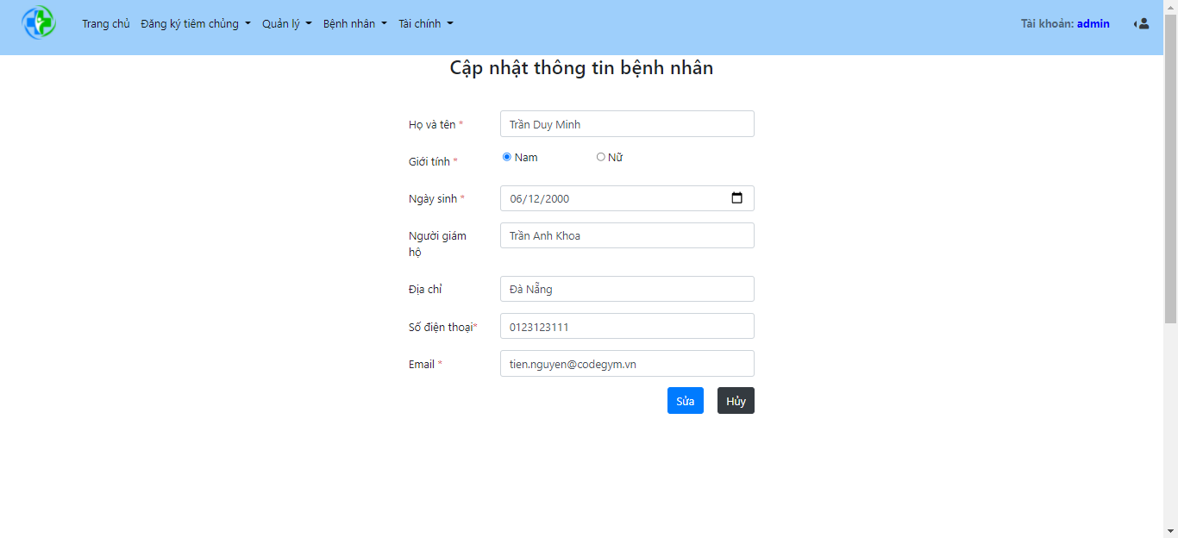

FUNC-1

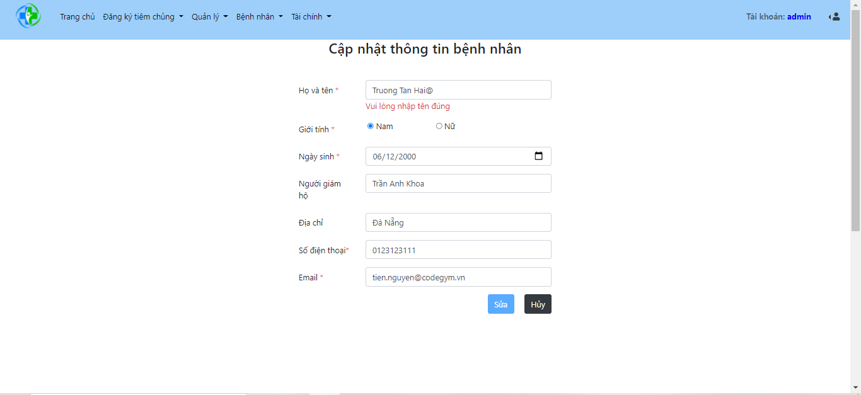

FUNC-2

customer
# id | name | date_of_birth | gender | id_card | phone_number | email | address | city_id | avatar | delete_flag
1 | Truong Tan Hai | 2000-07-14 | 1 | 123456789 | 0123456789 | anguyen@gmail.com | 295 Nguyễn Tất Thành | 43 | /img/customer/anguyen.jpg | 0

Edit_Customer-O
OUTPUT

GUI 1 -> GUI 7

N/A

FUNC-1

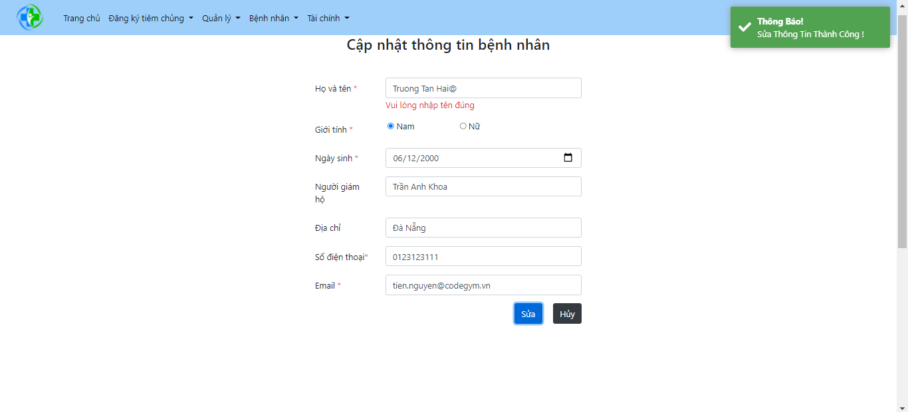

FUNC-2

FUNC-3

